Research
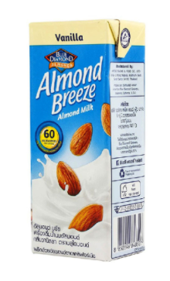

Blue Diamond Almond Breeze Almond Milk |  |  |  |  | Tabel Komparasi
Rp10,700 | 180 | mL |  |  | Merk | UOM (mL) | Harga Jual | Rp per mL | Keunggulan Produk
Rp59 | per mL |  |  |  | Blue Diamond Almond Breeze Almond Milk | 180 | Rp10,700 | Rp59 | RKA Premium (Ranch & IDM)
 |  |  |  |  | 137 Degrees Almond Milk | 180 | Rp17,000 | Rp94 | RKA Premium (Ranch)
Features: |  |  |  |  | MilkLab Almond Milk | 1000 | Rp56,000 | Rp56 | Café / untuk Kopi
60 / 70 kkal per serving |  |  |  |  | ReJuve Almond Cold Pressed Milk | 250 | Rp41,000 | Rp164 | Fresh Beverages
Tidak jarang Anda menemukan sesuatu yang rasanya begitu lezat. Almond Breezeï¿½ Chocolate adalah salah satu camilan langka. Tekstur krim dan kekayaan cokelat sangat cocok untuk memuaskan hasrat Anda untuk sesuatu yang manis dan cokelat. Ini juga diperkaya kalsium, bebas laktosa, dan bebas kedelai. |  |  |  |  | So Good Almond Milk Unsweetened | 250 | Rp20,000 | Rp80 | Well Known untuk ASI
 |  |  |  |  | Spencers California Roasted Almond Milk | 270 | Rp27,000 | Rp100 | RKA Premium (Ranch)
 |  |  |  |  | Pasific Almond Milk Original | 946 | Rp87,000 | Rp92 | RKA Premium (Ranch)
 |  |  |  |  | Yonsei Almond & Pine Nuts | 200 | Rp7,900 | Rp40 | RKA Premium (GS)
 |  |  |  |  | Almendrola Almond Milk | 1000 | Rp64,900 | Rp65 | RKA Premium (GS)
 |  |  |  |  | Shoei Almond Milk | 1000 | Rp86,500 | Rp87 | RKA Premium (GS)
 |  |  |  |  | AVERAGE |  |  | Rp84
 |  |  |  |  |  |  | x190 mL | Rp15,898

137 Degrees Almond Milk
Rp17,000 | 180 | mL
Rp94 | per mL

Features |  |  |  |  | Propose Harga PKP | IDR
Soy Free |  |  |  |  | Harga Pricelist NFI | Rp7,600
Dairy Free |  |  |  |  | Harga Customer | Rp10,000
Carrageenan Free
Cane Sugar Free

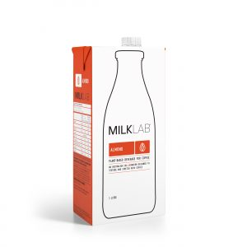
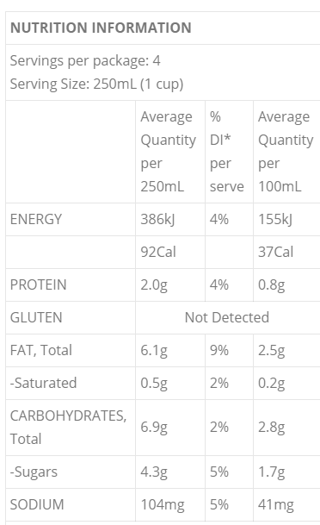
MilkLab Almond Milk
Rp56,000 | 1000 | mL
Rp56 | per mL

MILKLAB Almond milk. We’ve spent countless hours blending and testing the perfect almond milk for coffee. Our unique recipe brings you not only a milk that complements the intensity of espresso but also textures and stretches with any coffee type.

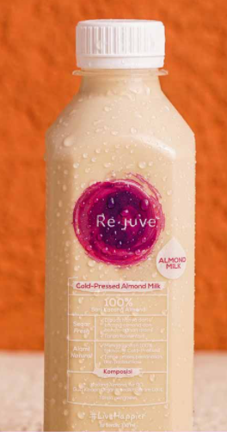
ReJuve Almond Cold Pressed Milk
Rp41,000 | 250 | mL
Rp164 | per mL

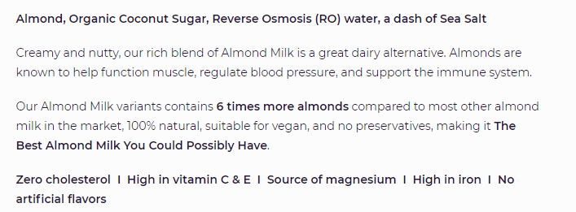

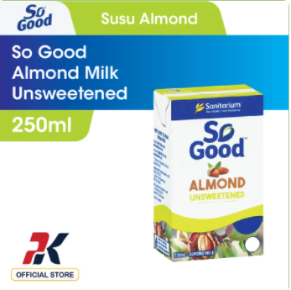
So Good Almond Milk Unsweetened
Rp20,000 | 250 | mL
Rp80 | per mL

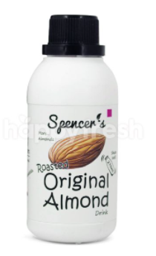
Spencers California Roasted Almond Milk
Rp27,000 | 270 | mL
Rp100 | per mL

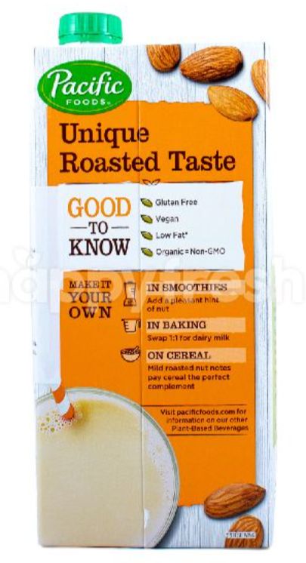

Pasific Almond Milk Original
Rp87,000 | 946 | mL
Rp92 | per mL

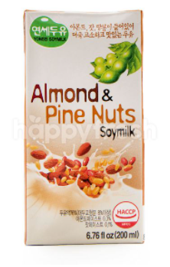

Yonsei Almond & Pine Nuts
Rp7,900 | 200 | mL
Rp40 | per mL

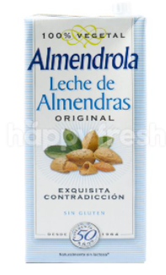
Almendrola Almond Milk
Rp64,900 | 1000 | mL
Rp65 | per mL

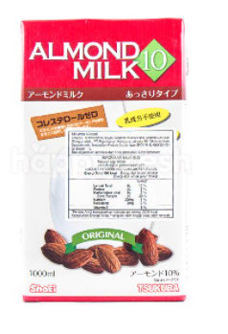
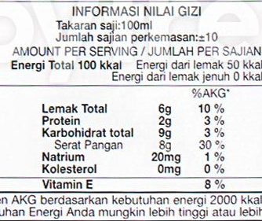
 |  | Shoei Almond Milk
 |  | Rp86,500 | 1000 | mL
 |  | Rp87 | per mL

 |  |  |  |  |  |  |  |  | RKA Premium (GS)

Market Potency
Jumlah penduduk Jakarta | 10,177,924
SES SU, U12 | 30% | Jakarta population
MF, 25-39 | 30% | Jakarta population

Healthy Concern | 40%
Pilih Plant Based Milk | 30%
Pilih Almond Milk | 35%
Choose Tropicana Slim | 50.0%

Target market TS | 19,032 | persons

Consume TS
- min 1x konsumsi perbulan | 19,032 | pcs per month
 |  |  | 524826
Price TS | IDR 10,000 | per portion | 509726
Sales potency |  |  | 451364
- per mo | IDR 190,318,779 |  | 380792
Round Up Market Potency | IDR 200,000,000 | per month | 323266
 |  |  | 267752
 |  |  |  | 2,457,726

